Set up
Using JUNIT 5 with a plain java project: 7:00 https://www.youtube.com/watch?v=o5pE7L2tVV8
Create a plain old java project
https://www.youtube.com/watch?v=o5pE7L2tVV8 - Brian Fraiser 7:39

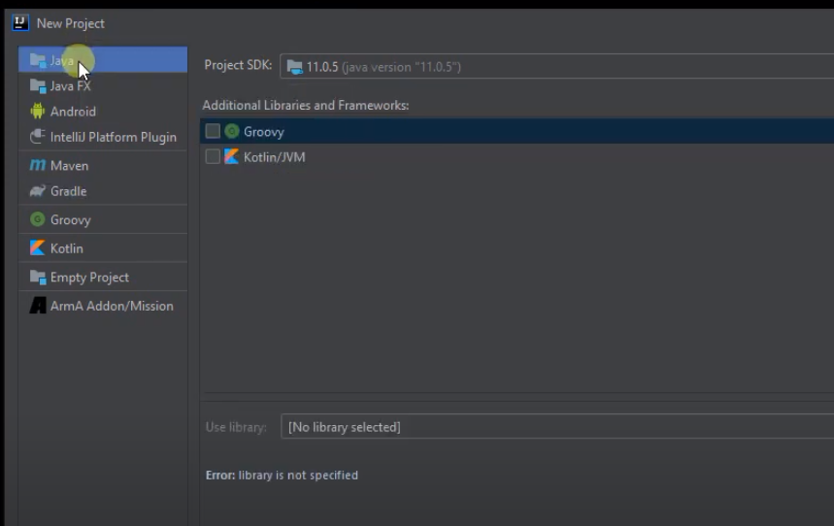
Right click here...Inside the cup class ... then show action context

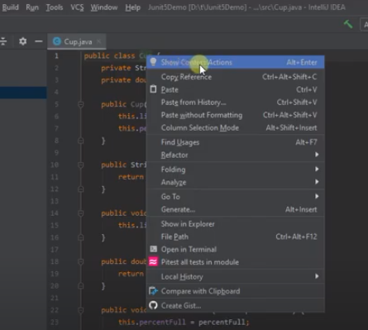
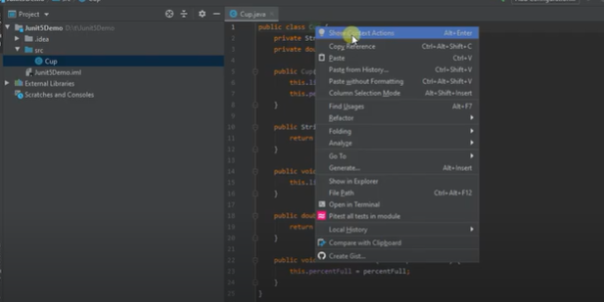

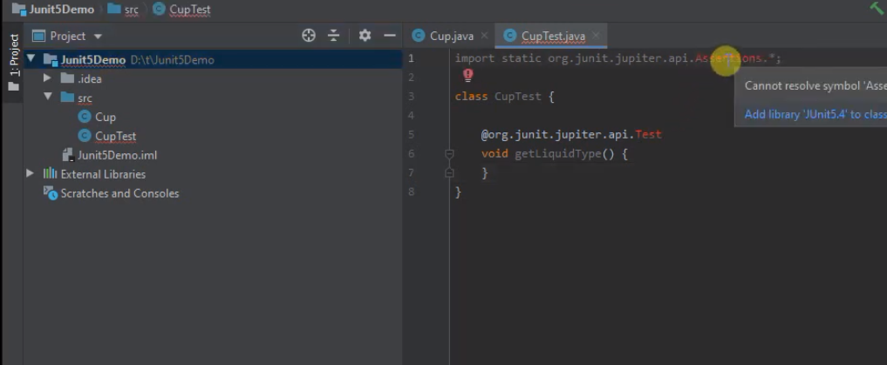
After creating a project ... create a class to test ... then right click the class -> show Context Actions and then -> select Create Tests .... pick JUNIT5 -> Will say not found -> Fix and pick a recent JUNIT5

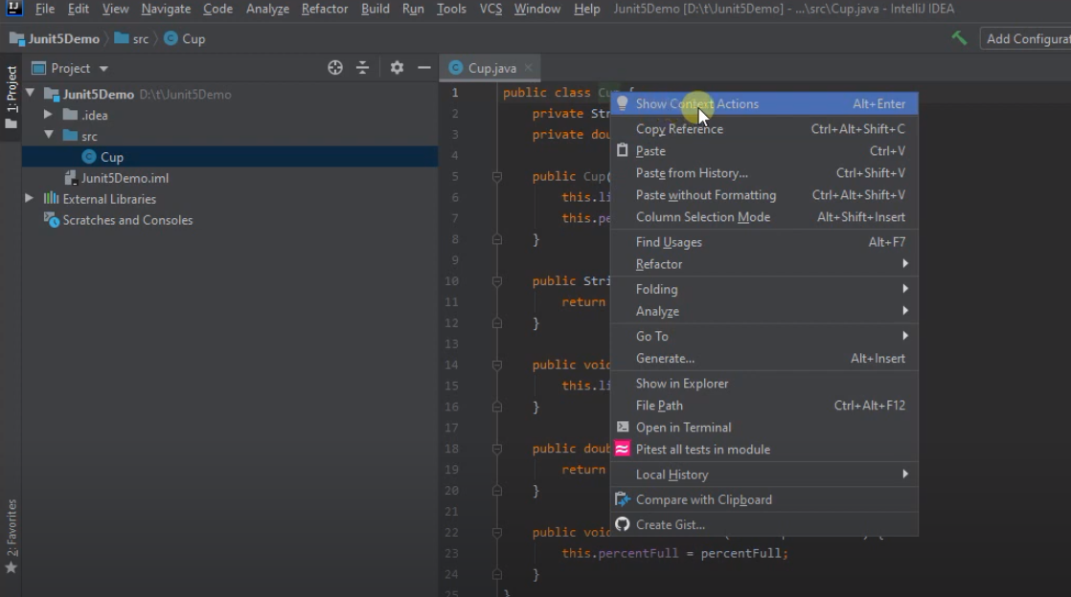
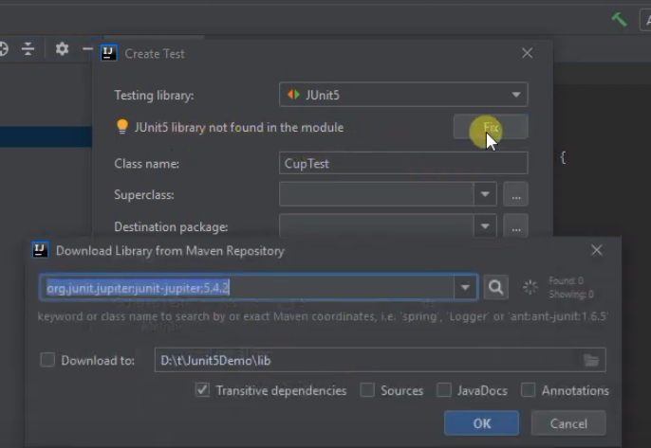

Now need to get the imports right

SetUp Part 2
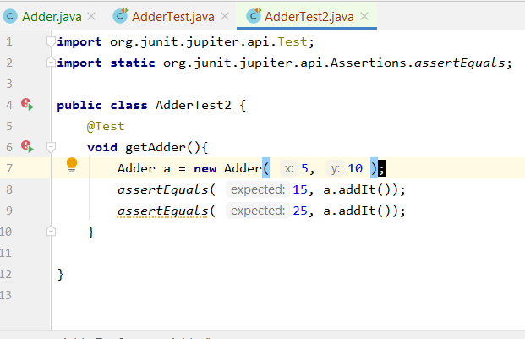
https://www.jetbrains.com/help/idea/2018.1/creating-and-managing-modules.html#configuring-content-roots

1. Select Proect -> New Directory ... call it tests
Notice it is at same 'level' as src
Right-click a folder in the Project tool window.
Select Mark Directory as from the context menu.
Select the necessary category.
Mark it as "Test Sources Root"
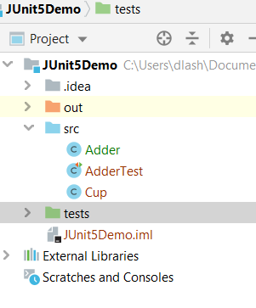

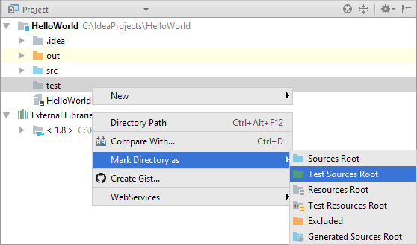

Create a new class in the tests directory ... called it AdderTest2.java
add in the code ..
note that when adding 2 tests in 1 method ... if 1 fails no indicate 1 passes

JUNIT Asserts
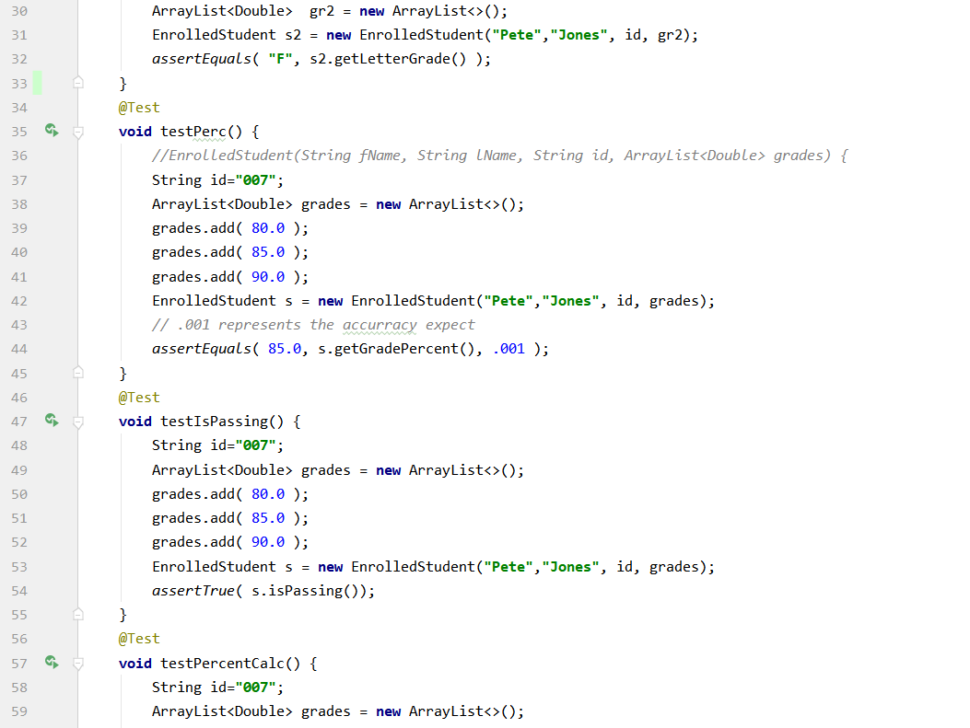
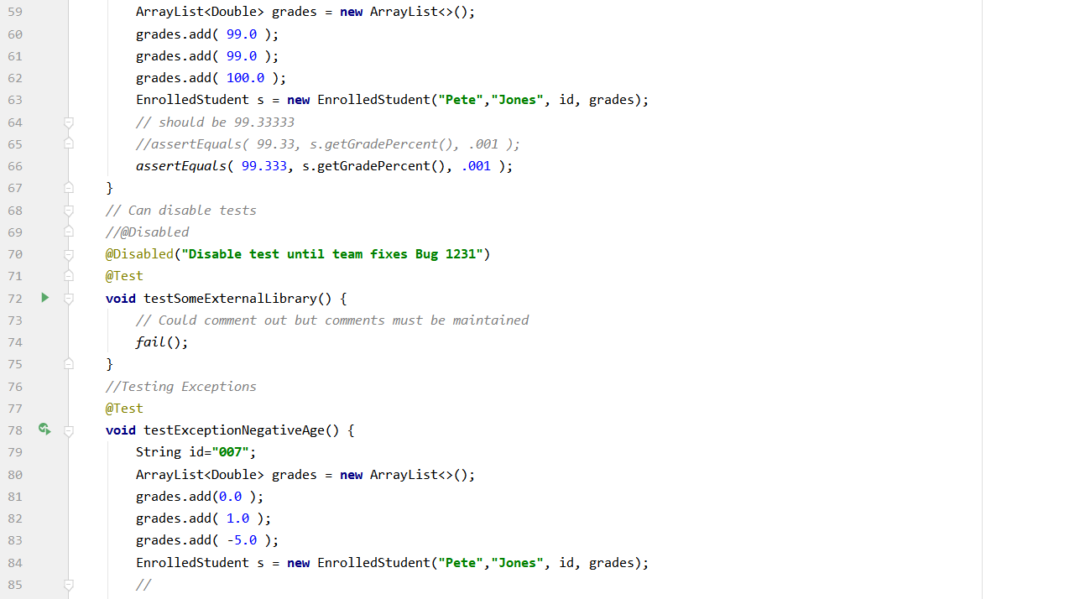
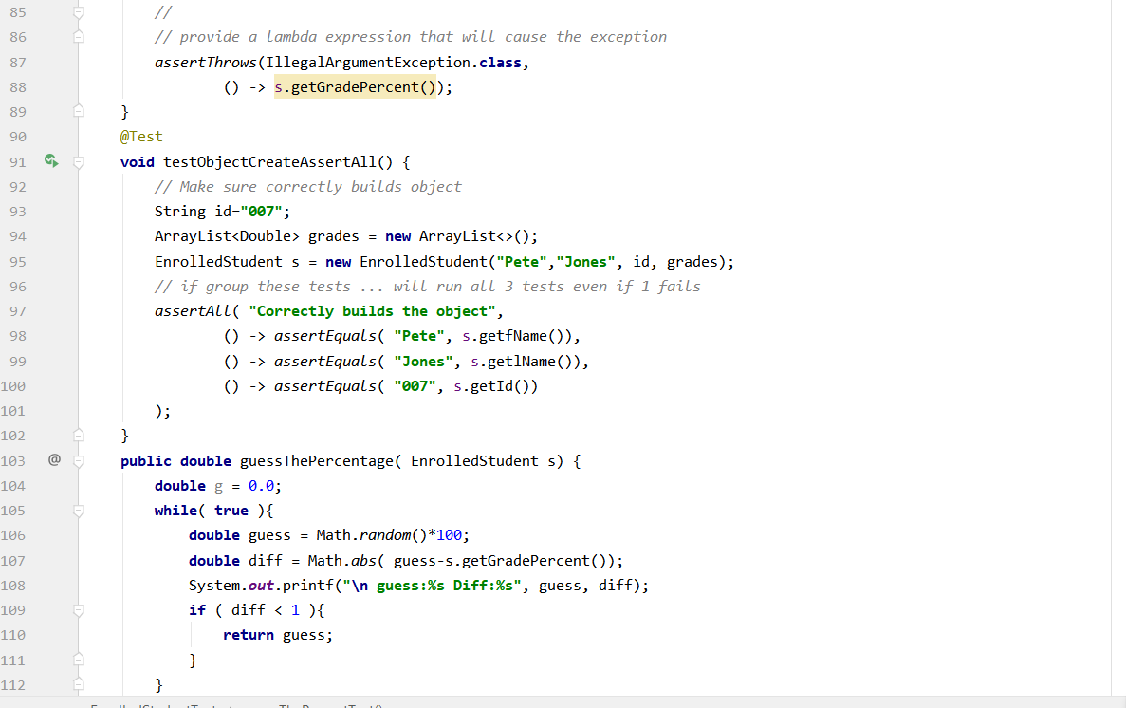
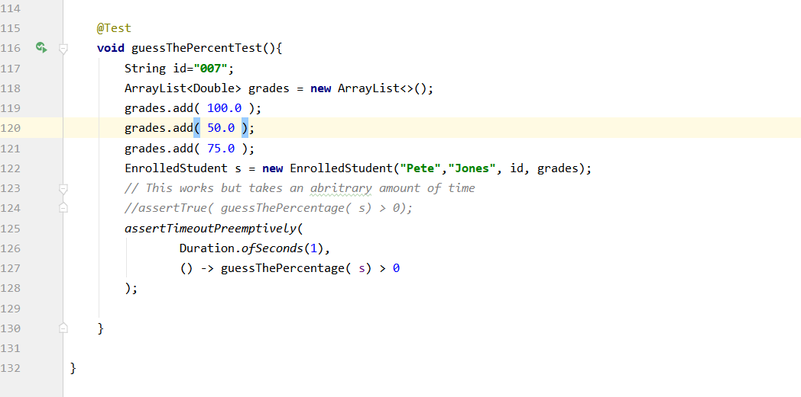
Intro to JUnit Tests
Using JUNIT 5 with a plain java project: 7:00 https://www.youtube.com/watch?v=o5pE7L2tVV8
Create a plain old java project

Getting going

All about junit tests 17:00 - https://www.youtube.com/watch?v=GaNW6Q__5jc&list=PL-suslzEBiMobIYkpy0ijFzSZF1w_ok8r

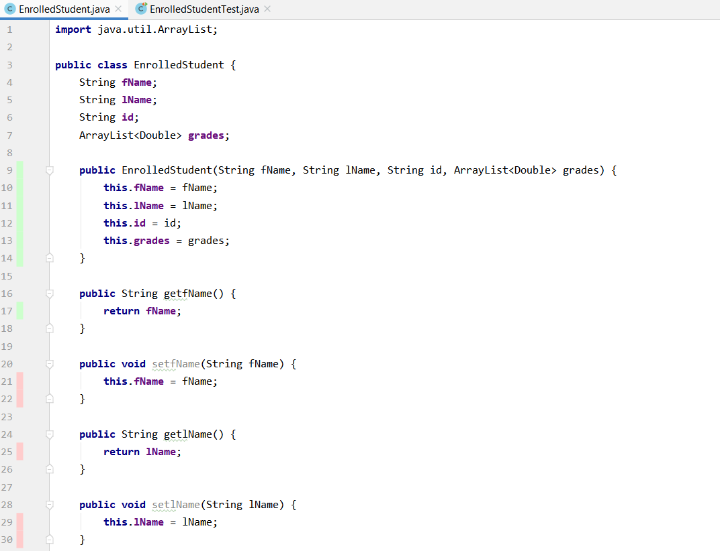

https://howtodoinjava.com/junit5/junit-5-assertions-examples/

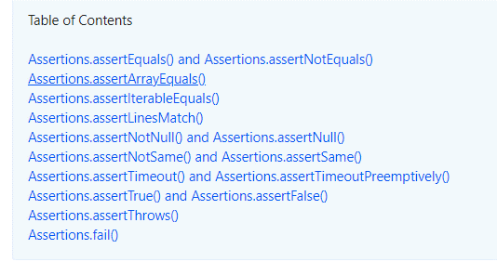

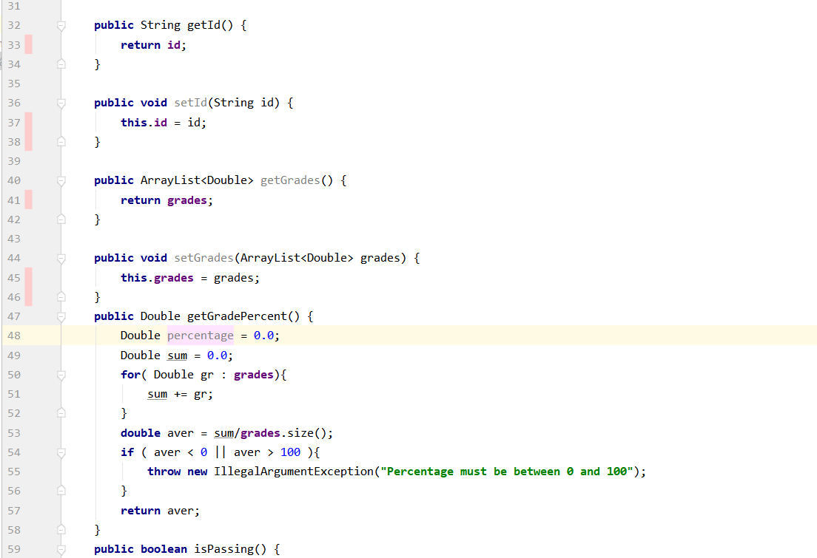

Suppose have this class ... what do you need to test?

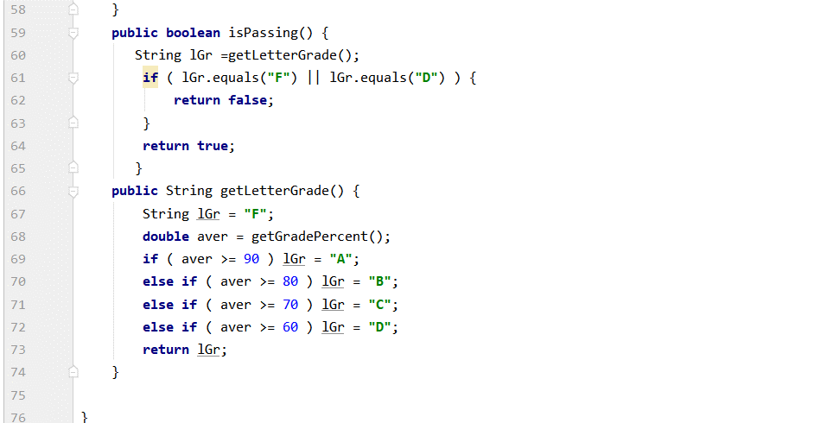

https://stackoverflow.com/questions/35553464/java-assert-double-is-nan
boolean isNan = Double.isNaN(calculateIt("input text"));
assertTrue(isNan);

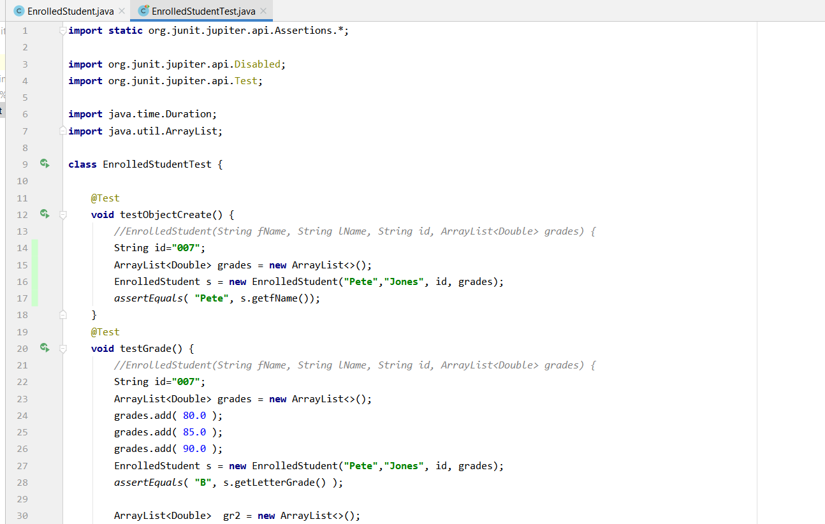
Use these test suites

Does class creation work?

Does class creation work?

NaN Info
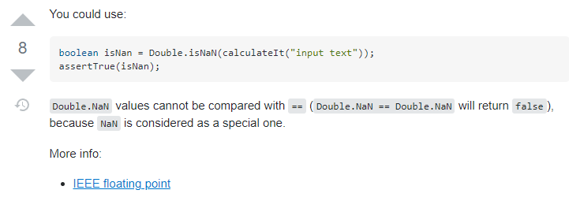
https://www.geeksforgeeks.org/nan-not-number-java/

Floating type doesn’t produces Exception while operating with mathematical values
IEEE 754 floating point numbers can represent positive or negative infinity, and NaN (not a number). These three values arise from calculations whose result is undefined or cannot be represented accurately. Java is following known math facts. 1.0 / 0.0 is infinity, but the others are indeterminate forms, which Java represents as NaN (not a number).

https://stackoverflow.com/questions/35553464/java-assert-double-is-nan

TDD
What is TDD?
Use Tests to Drive the development the code .... write tests first before code
-- It is iterative and requies us to write a lot of tests

The idea here is to write the minumum functionality to make the test pass
... and of course ... it passes

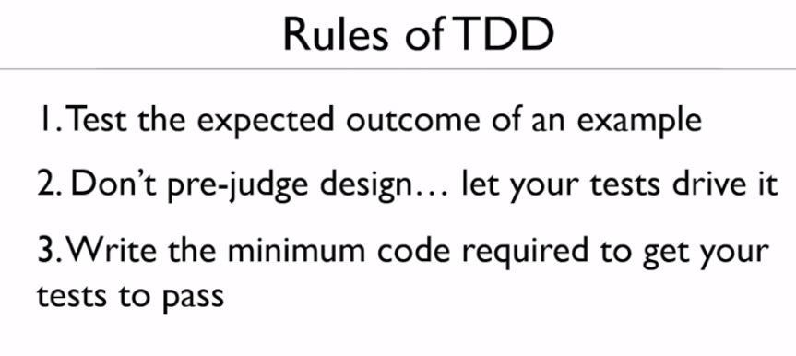

Unit Test NOT integration testing or complete testing.
1. Test indivudal scenaries or paths through code ... small tests

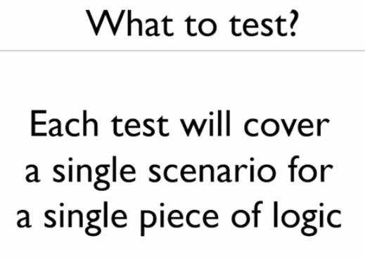

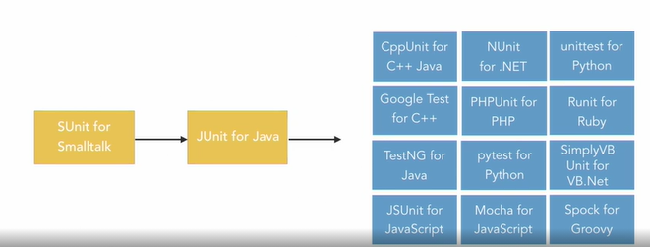

Test Case Conventions
1. Use a seperate tests directory
2. put the work 'test' in each test method name (E.g., hangman_Test or test_hangman)
3. Use long test case method names that are descriptive (e.g., test_number_of_constanstants_in_word)

Sheet1
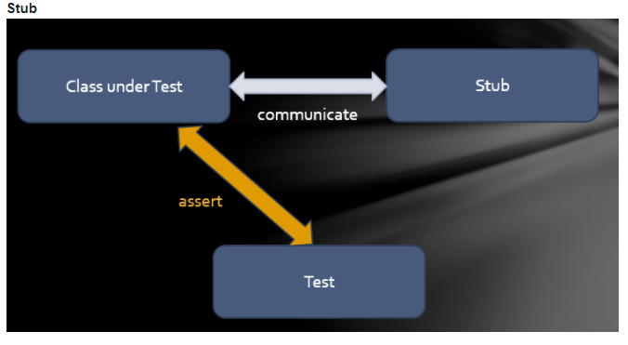
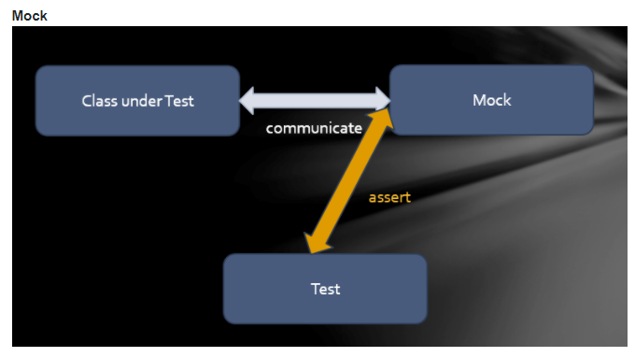
How do you get going with TDD?

So ... start with play next round ... since
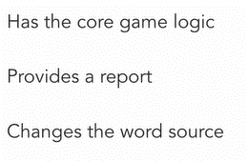
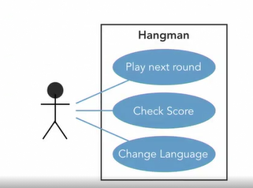

From ... play next work can derive a set of function that need to occur

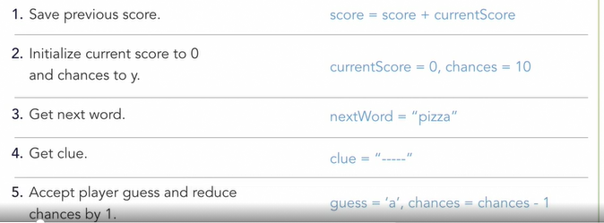
As you think about these steps ... derive some basic requirements

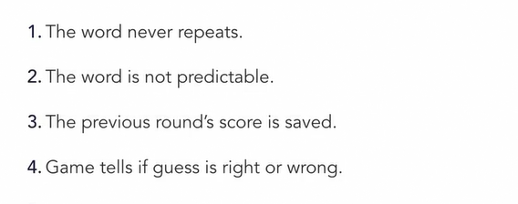

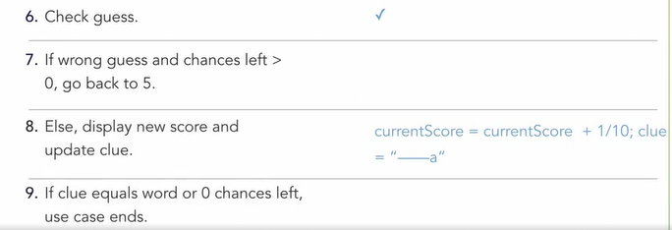

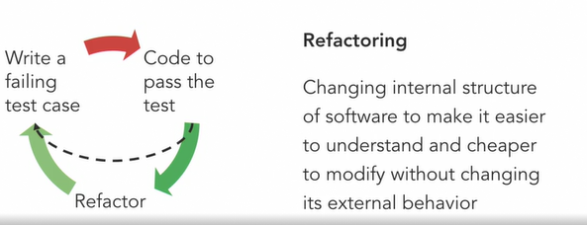

https://refactoring.com/catalog/

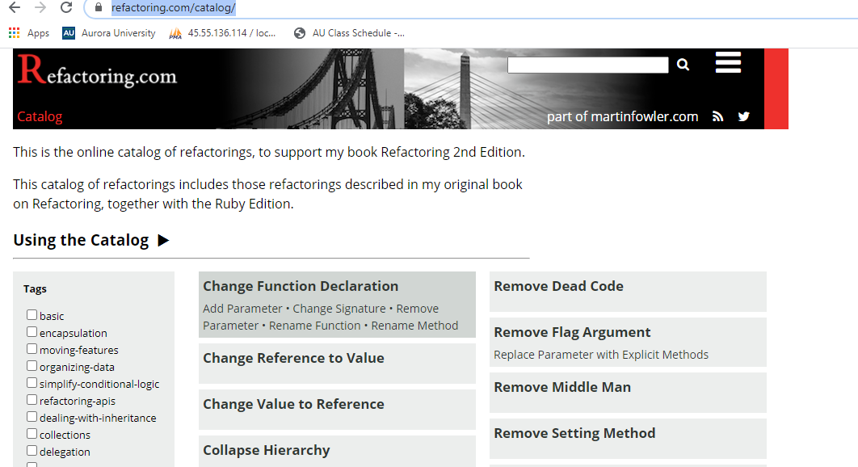

https://stackoverflow.com/questions/31890991/how-to-use-stubs-in-junit-and-java

SalesBounus
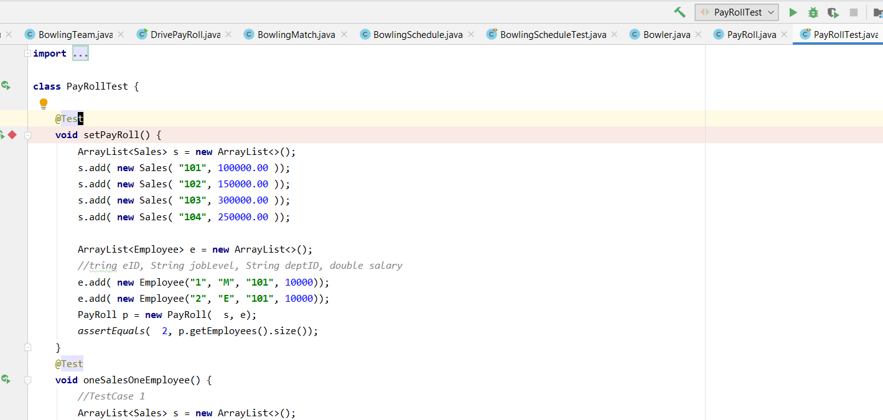
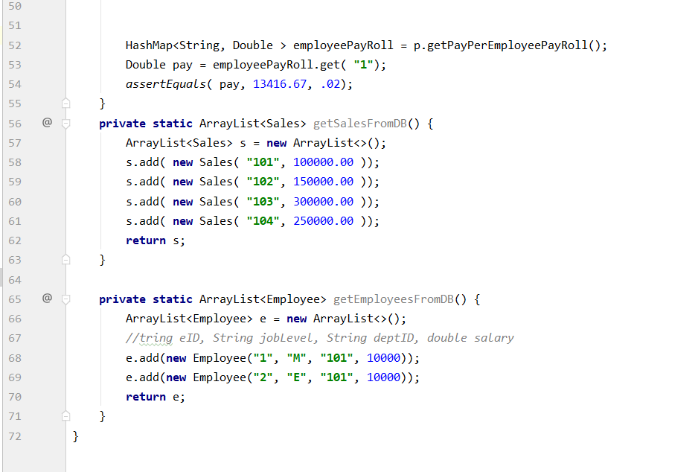
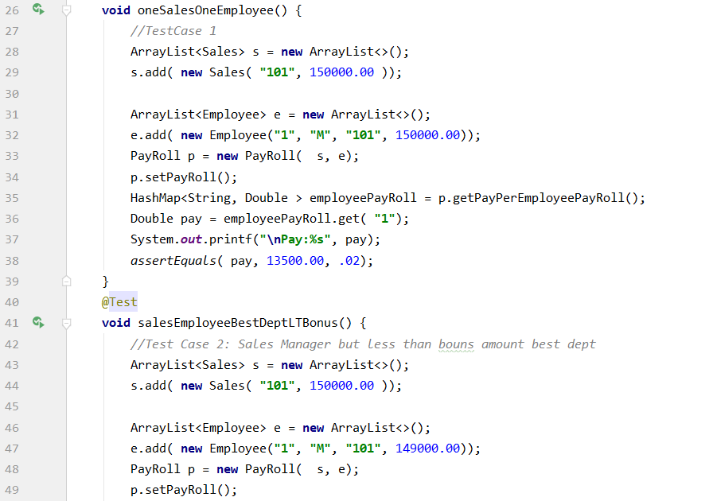
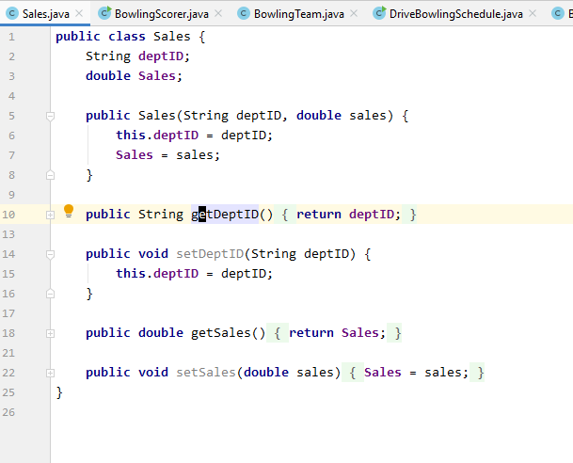
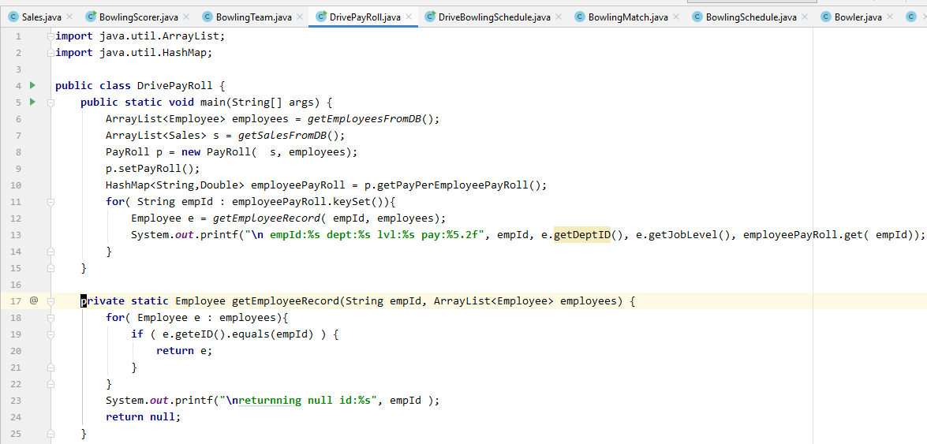

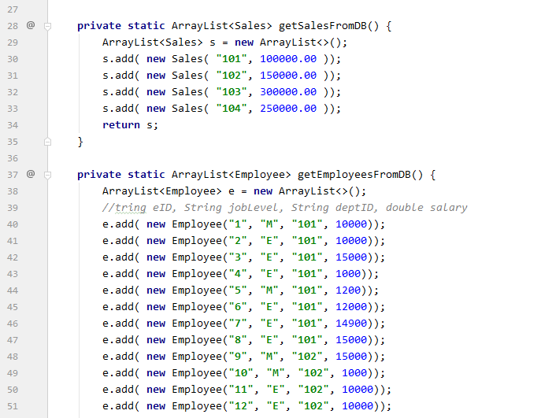

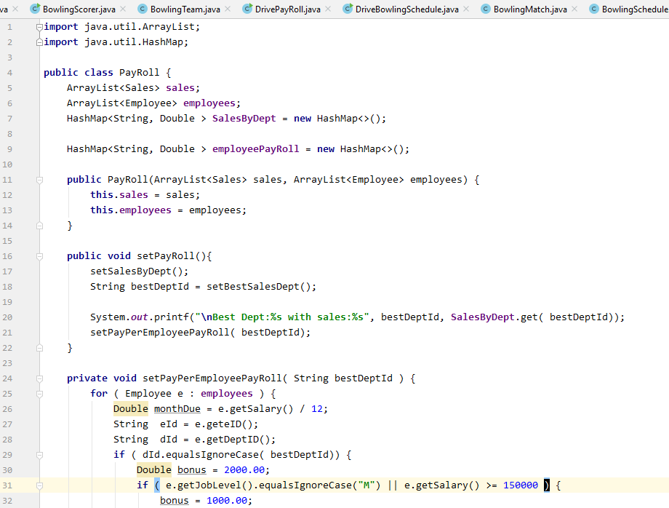

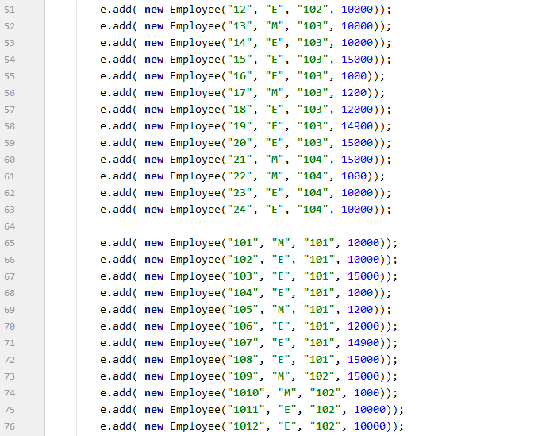

Here is interesting place for tests

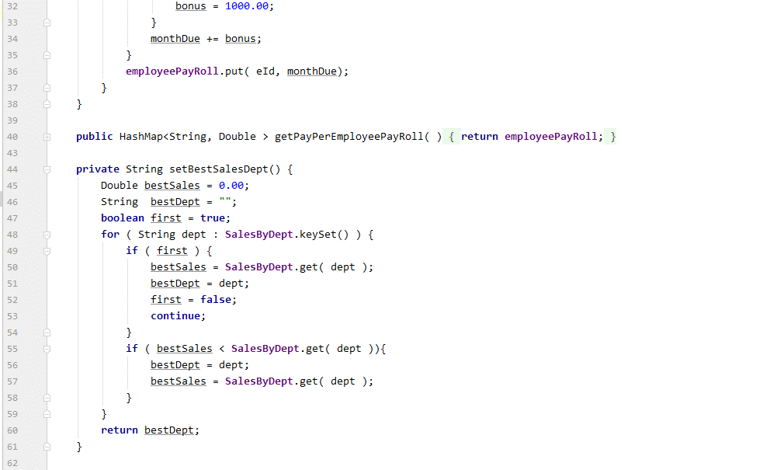

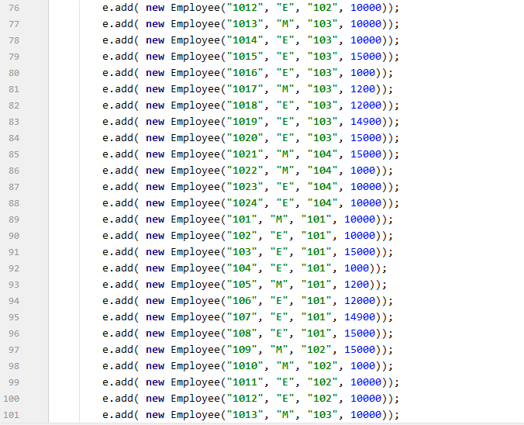

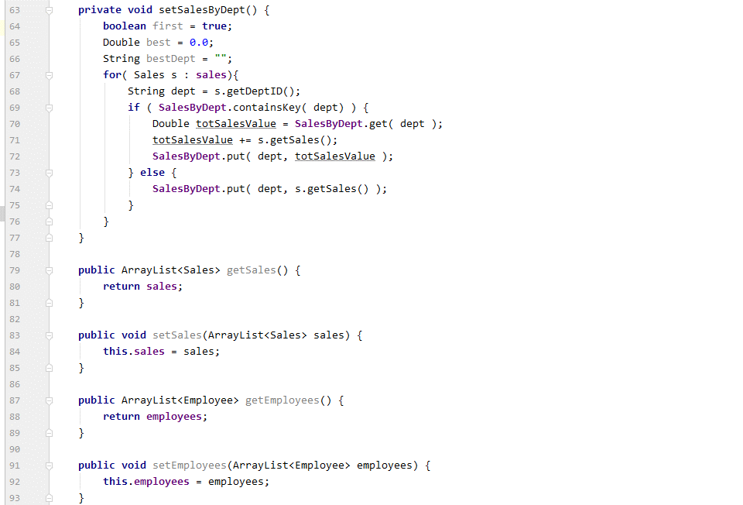

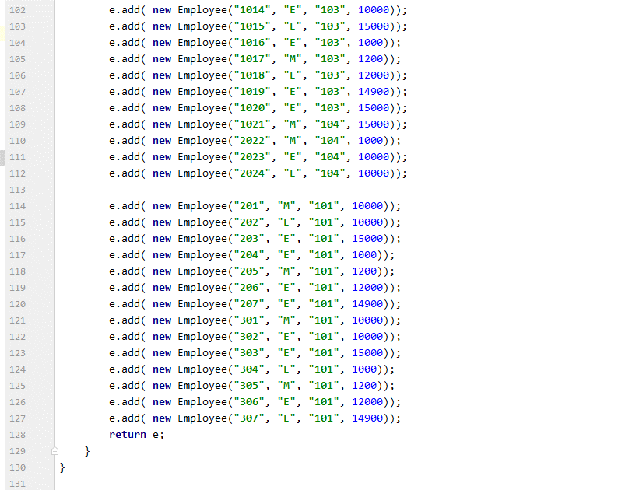

Suppose you have a set of employees - Employees
Where each employee has an Id, Joblevel (either Manager or Employee )
a departID and Salary Per year
In addition you have a set of DepartmentSales For the year - SalesByDep
Each DepartmentSales have a
DepartId and a TotalSales
Management wants to impliement a monthly payroll algorithm that
1. Pays all employee 1/12 of their salary per month
2. Awards the departments with the highest sales an extra 500 for regular employees and 1,000 for management
Payroll

BowlingHcap
